Introduction
 | Solid Waste Management System (SWMS) Database

 | V. 2.0
 | Developers: Rui He, CMU, ruihe@andrew.cmu.edu, Mexi Sandoval, IST, mexis@ier.unam.mx

 | Last Update: May 2021

Goal | This database intends to document SWMS-related data around the world with a focus in the U.S. and EU for the Bee2Waste Crypto project. This database collects data of waste characterization, technologies, best management practices, and system configurations for solid wastes generated by the public sector (e.g. municipal solid waste (MSW), construction and demolition (C&D) debris, electronic wastes, disaster debris, etc.). Besides, this database attempts to capture the socioeconomic contexts as well as performance metrics of SWMS, including economic benefits, environmental footprints, and societal elements.

Description | This "Introduction" sheet provides the general description and structure of this database. This document serves as preparation for future transference into a SQL relational database format. The relationships among different domains of SWMS are presented below. Several key relationships are presented in a tabular form in the following worksheets. E.g., "W2-W4" presents how waste propoerties are related with waste technologies, etc.

 | Solid Waste Management System Database Structure
W1.Waste Type
S6.Municipality
W3.Waste Generation
W2.Waste Properties
W4.Technology
W5.Waste Management
S7.Waste Policy
P2.Environmental
P3.Financial
P1.Societal
S3.Public
S4.Economy
S1.Demographics
S2.Education
S5.Climate
Socioeconomic System
Waste System
Performance Metrics
Impact
Feedback
S8. Season

 |  | W3->W2 ?
 |  | S7-> W5 ?
 |  | need more tables between S series tables

Copyright © 2021 Bee2Waste. All Rights Reserved.

W3(S)-W5
W3.ID | City/Region | State/Country | Year | Waste Code | Quantity | Unit | Generation | Collection | Transportation | Storage | Processing | Treatment | Financial Performance | Environmental Performance | Societal Performance | Efficiency
1
2
3
4 |  | W3(S) partially |  |  | W3 |  |  | W4 |  |  |  |  |  | Performance metric
5 |  |  |  |  |  |  |  | W4 influence P |  |  |  |  |  | PartP
6 |  |  |  |  |  |  |  |  |  |  |  |  |  | W5 influence P
7
8
9
10
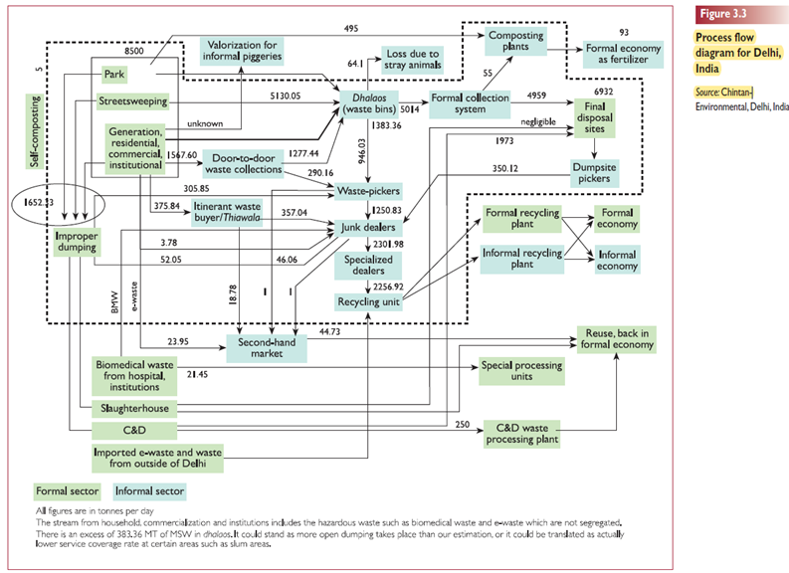
11
12
13
14
15
16
17
18
19

